REML results of microbial trans
 | Data = pre(1:5), No inoc, S, C, T
 | Microbial transformation | Treatment Effects (p-values) |  |  | Notes | Cellvibrio had greatest amount of unidentified peaks when classifying peaks based on VK diagrams, the micro transfor data is part of unassigned peaks so it makes sense that Cellvibrio is sig diff from others in the trans data. Right?
 |  | Pore Size | Inoculant | Interaction
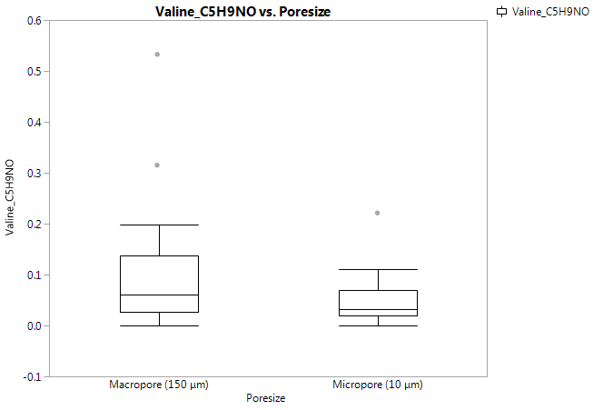
1 | Valine_C5H9NO | 0.0441 | 0.0487 |  | Macropores > Micropores, Strepto and Cellvibrio reduced decomp
2 | Adenosine_5_diphosphate_(-H2O)_C10H13N5O9P2 | 0.0388 | 0.0002 |  | Macropores > Micropores, Cellvibrio increased decomp
3 | Proline_C5H7NO | 0.0299 |  |  | Macropores > Micropores
4 | CH2 | 0.0296 | < 0.0001 |  | Micropores > Macropores , High decomp in Strepto inoc samples
5 | Alanine_C3H5NO | 0.0213 |  |  | Macropores > Micropores
6 | Methionine_C5H9NOS | 0.0175 |  |  | Macropores > Micropores
7 | Threonine_C4H7NO2 | 0.0113 |  |  | Macropores > Micropores
8 | Serine_C3H5NO2 | 0.01 | 0.0178 |  | Macropores > Micropores, Strepto and Cellvibrio reduced decomp
9 | Glycine_C2H3NO | 0.0098 |  |  | Macropores > Micropores
10 | Isoleucine_C6H11NO | 0.0028 | 0.0027 |  | Macropores > Micropores, Strepto and Cellvibrio reduced decomp
11 | Leucine_C6H11NO | 0.0028 | 0.0027 |  | Macropores > Micropores, Strepto and Cellvibrio reduced decomp
12 | TRANSAMINATION | 0.0004 | 0.0159 |  | Macropores > Micropores, Tricho increased decomp
13 | NH_CH2 | 0.0002 |  |  | Macropores > Micropores
14 | guanosine_(-H2O)_C10H11N5O4 |  | < 0.0001
15 | thymidine_(-H2O)_C10H12N2O4 |  | < 0.0001
16 | thymidine_5_monophosphate_(-H2O)_C10H13N2O7P |  | < 0.0001
17 | uridine_5_monophosphate_(-H2O)_C9H11N2O8P |  | < 0.0001
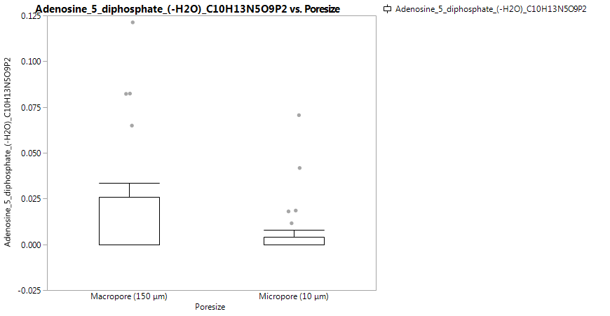
18 | SO42- |  | < 0.0001 |  | higher in Cellvibrio
19 | hydrogenation_dehydrogenation_H2 |  | 0.0466
20 | carbamoyl_P_transfer_(-H2PO4)_CH2ON |  | 0.0425
21 | biotinyl_(-H2O)_C10H14N2O2S |  | 0.0406
22 | Glutamine_C5H8N2O2 |  | 0.0359
23 | condensation/dehydration_H2O |  | 0.0213
24 | Catechol_O2 |  | 0.0195
25 | diphosphate_H3O6P2 |  | 0.0179
26 | uridine_5_diphosphate_(-H2O)_C9H12N2O11P2 |  | 0.0177
27 | Guanosine_5_monophosphate_(-H2O)_C10H12N5O7P |  | 0.0168
28 | glcnac_C8H13N1O5 |  | 0.0151
29 | CH4_O |  | 0.0119 |  | reduced degrdation of CH4_0O in incubation
30 | palmitoylation_(-H2O)_C16H30O |  | 0.0093
31 | adenylate_(-H2O)_C10H12N5O6P |  | 0.0085 |  | increased in Celvibrio and Strepto
32 | Adenosine_5_monophosphate_(-H2O)_C10H12N5O6P |  | 0.0085
33 | C2H2_C2H2 |  | 0.0078
34 | H2S |  | 0.0073
35 | Tyrosine_C9H9NO2 |  | 0.0027
36 | acetylation_(-H)_C2H3O2 |  | 0.0018
37 | glucose_C6H12O6 |  | 0.0013
38 | ethyl addition_(-H2O)_C2H4 |  | 0.0011
39 | NO3- |  | 0.001 |  | highest in Cellvibrio, high in Strepto
40 | glyoxylate_(-H2O)_C2O2 |  | 0.0007
41 | Guanosine5_diphosphate_(-H2O)_C10H13N5O10P2 |  | 0.0005
42 | Formic Acid_(-H2O)_CO |  | 0.0005
43 | hydroxylation_(-H)_O |  | 0.0003
44 | O |  | 0.0002
45 | pentose_C5H8O4 |  | 0.0002
46 | malonyl_group_(-H2O)_C3H2O3 |  | 0.0002
47 | Tryptophan_C11H10N2O |  |  | 0.0392 | strepto has higher rates in micropores - no other inoclant does that
48 | S2O32- |  |  | 0.0385
49 | CH3COO-
50 | PO43-
51 | NH4+
52 | glucose_C6H12O6
53 | neugc_C11H17N1O9
54 | Arginine_C6H12N4O
55 | Asparagine_C4H6N2O2
56 | Aspartic_Acid_C4H5NO3
57 | Cysteine_C3H5NOS
58 | Cystine_C6H10N2O3S2
59 | Glutamic_Acid_C5H7NO3
60 | Histidine_C6H7N3O
61 | Lysine_C6H12N2O
62 | Phenylalanine_C9H9NO
63 | acetotacetate_(-H2O)_C4H4O2
64 | acetone_(-H)_C3H5O
65 | biotinyl_(-H)_C10H15N2O3S
66 | co-enzyme_A_(-H)_C21H34N7O16P3S
67 | co-enzyme_A_(-H2O)_C21H33N7O15P3S
68 | glutathione_(-H2O)_C10H15N3O5S
69 | isoprene_addition_(-H)_C5H7
70 | pyridoxal_phosphate_(-H2O)_C8H8NO5P
71 | urea_addition_(-H)_CH3N2O
72 | adenine_(-H)_C5H4N5
73 | adenosine_(-H2O)_C10H11N5O3
74 | cytidine_5_diphosphate_(-H2O)_C9H13N3O10P2
75 | cytidine_5_monophsophate_(-H2O)_C9H12N3O7P
76 | cytosine_(-H)_C4H4N3O
77 | guanine_(-H)_C5H4N5O
78 | deoxythymidine_5_diphosphate_(-H2O)_C10H14N2O10P2
79 | thymine_(-H)_C5H5N2O2
80 | uracil_(-H)_C4H3N2O2
81 | uridine_(-H2O)_C9H10N2O5
82 | acetylation_(-H2O)_C2H2O
83 | Carboxylation_CO2
84 | CHO2_CHO2
85 | Inorganic_Phosphate_P

